Graphs
 |  | Count | Company Name | Request Log | Request Date | Request Link | Referral Received | Comment | Message Ready | Resume Ready

Application count each month
OA and Referral Count Tracker
 | OA Count | Referral Count

Important Links for Applications
1. Networking Message | Link
2. Resume | Link
3. Cover Letter | Link
4. Extra Documents | Link
5. Screenshots | Link
6. Cover Letter Template | Link

Weekly Count
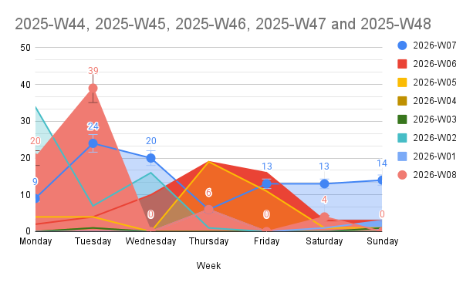

I hope you're doing well! I previously worked as an SDE2 at Bounteous and am pursuing my Master’s in Data Science from Stony Brook University. I came across the Software Developer 2026 ELH position with Job ID: 91689, and wanted to check if you’d be open to reviewing my resume or referring me. Thank you!

 |  |  |  | #REF!

